DynamicCharts
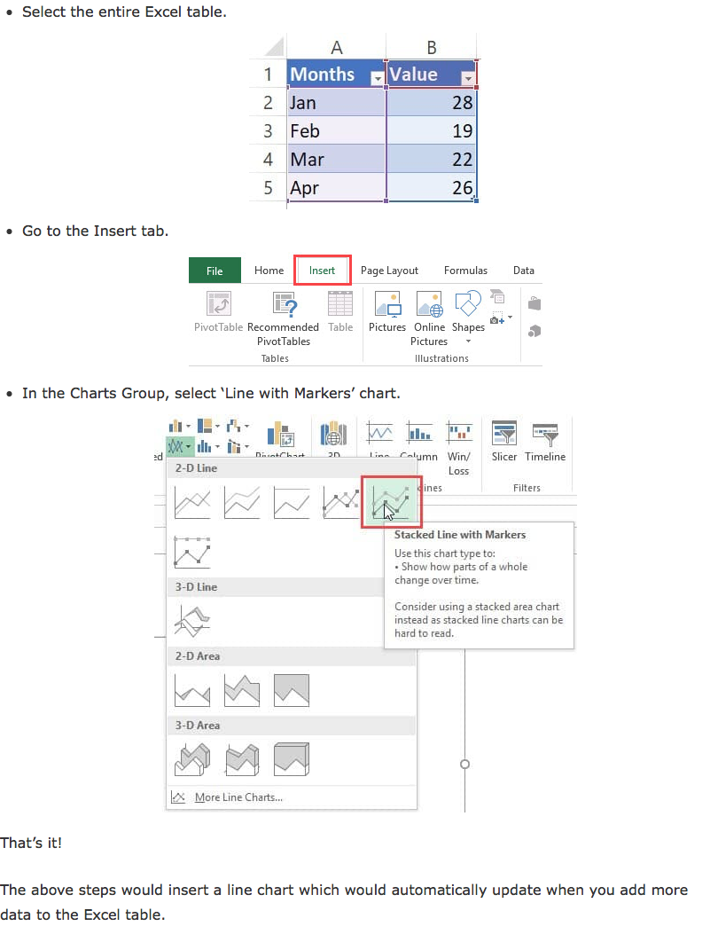
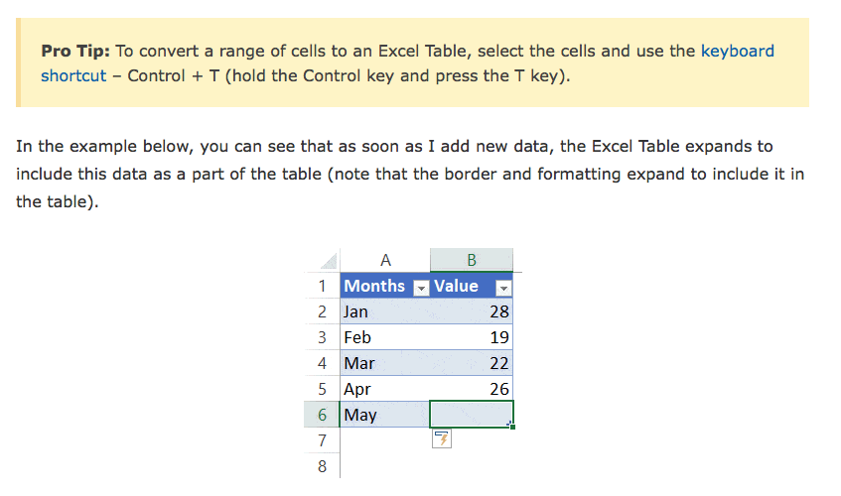
 |  | 1) Create a dynamic line chart out to year 2025. Pick out your own "Sales" values to see your dynamic chart populate
Year | Sales | 2) Create a dynamic line chart to graphically show the past 10 years ONLY. Pick out your own "Sales" values to see your dynamic chart populate.
2000 | 177,396
2001 | 165,632
2002 | 118,348 |  | SalesDollars | 149783.81818 | 149,784
2003 | 136,919 |  | SalesYear | 2005
2004 | 178,464
2005 | 197,641
2006 | 124,807
2007 | 146,414
2008 | 152,720
2009 | 125,495
2010 | 123,786
2011 | 131,397
2012 | 199,260
2013 | 116,229

chart won't format horizontal data type: https://support.office.com/en-us/article/display-or-change-dates-on-a-category-axis-d5a8146b-d457-43d1-8602-c1d23c96d650#ID0EAABAAA=Newer_versions
much easier method: https://trumpexcel.com/dynamic-chart-range/

